Sheet1
Description: All In Motion Girls Fleece Pants
UPC | Style Number | Retail | Units Per Case | Cases | Color | Picture | XS | S | M | L | XL | Total per Pallet | Total per Color | Number of Pallets
196365043032 | 039 02 7530 | $22.00 | 5 | 120 | PURPLE | 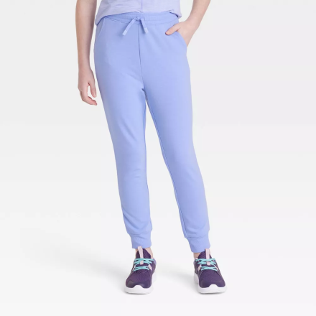 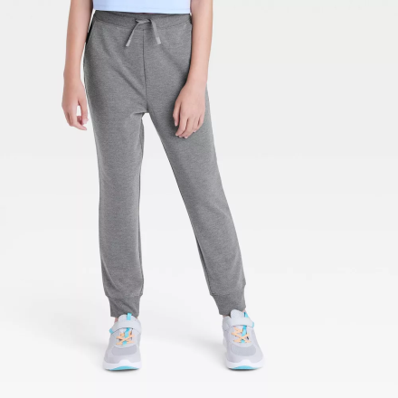 | 1 | 1 | 1 | 1 | 1 | 600 | 4466 | 24
 |  |  | 9 | 75 |  |  | 1 | 1 | 3 | 3 | 1 | 675
 |  |  | 9 | 80 |  |  | 1 | 1 | 3 | 3 | 1 | 720
 |  |  | 5 | 100 |  |  | 1 | 1 | 1 | 1 | 1 | 500
 |  |  | 9 | 79 |  |  | 1 | 1 | 3 | 3 | 1 | 711
 |  |  | 9 | 60 |  |  | 1 | 1 | 3 | 3 | 1 | 540
 |  |  | 9 | 80 |  |  | 1 | 1 | 3 | 3 | 1 | 720
196365042981 | 039 02 7524 |  | 5 | 100 | GREY |  | 1 | 1 | 1 | 1 | 1 | 500 | 9412
 |  |  | 5 | 98 |  |  | 1 | 1 | 1 | 1 | 1 | 490
 |  |  | 5 | 100 |  |  | 1 | 1 | 1 | 1 | 1 | 500
 |  |  | 5 | 100 |  |  | 1 | 1 | 1 | 1 | 1 | 500
 |  |  | 5 | 100 |  |  | 1 | 1 | 1 | 1 | 1 | 500
 |  |  | 5 | 100 |  |  | 1 | 1 | 1 | 1 | 1 | 500
 |  |  | 5 | 100 |  |  | 1 | 1 | 1 | 1 | 1 | 500
 |  |  | 5 | 100 |  |  | 1 | 1 | 1 | 1 | 1 | 500
 |  |  | 5 | 71 |  |  | 1 | 1 | 1 | 1 | 1 | 355
 |  |  | 9 | 77 |  |  | 1 | 1 | 3 | 3 | 1 | 693
 |  |  | 9 | 80 |  |  | 1 | 1 | 3 | 3 | 1 | 720
 |  |  | 9 | 75 |  |  | 1 | 1 | 3 | 3 | 1 | 675
 |  |  | 9 | 69 |  |  | 1 | 1 | 3 | 3 | 1 | 621
 |  |  | 9 | 74 |  |  | 1 | 1 | 3 | 3 | 1 | 666
 |  |  | 9 | 76 |  |  | 1 | 1 | 3 | 3 | 1 | 684
 |  |  | 9 | 82 |  |  | 1 | 1 | 3 | 3 | 1 | 738
 |  |  | 9 | 30 |  |  | 1 | 1 | 3 | 3 | 1 | 270

